Gross Margin Summery Statistics
R&D |  |  |  |  | not R&D | Column1 | Column2 | Column3 | Column4
GICS Sector | nanmean | nanstd | q1 | q3 | GICS Sector | nanmean | nanstd | q1 | q3
Real Estate | 64% | 14% | 60% | 71% | Health Care | 66% | 18% | 55% | 80%
Financials | 63% | 31% | 36% | 97% | Consumer Staples | 62% | 23% | 43% | 89%
Telecommunications Services | 55% | 7% | 53% | 60% | Information Technology | 57% | 20% | 41% | 75%
Energy | 54% | 27% | 28% | 78% | Consumer Discretionary | 57% | 3% | 54% | 59%
Information Technology | 42% | 17% | 32% | 43% | Financials | 35% | 1% | 34% | 35%
Industrials | 41% | 19% | 30% | 58% | Materials | 34% | 20% | 30% | 44%
Utilities | 40% | 11% | 33% | 44% | Industrials | 32% | 13% | 25% | 39%
Consumer Discretionary | 39% | 17% | 28% | 49% | Energy | 28% | 20% | 15% | 45%
Consumer Staples | 36% | 18% | 22% | 45% | Real Estate | 28% | 18% | 20% | 22%
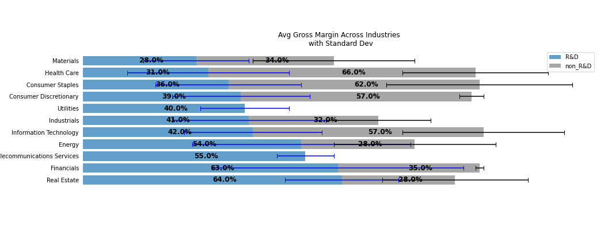
Health Care | 31% | 20% | 21% | 38%
Materials | 28% | 13% | 19% | 37%

rev_summery
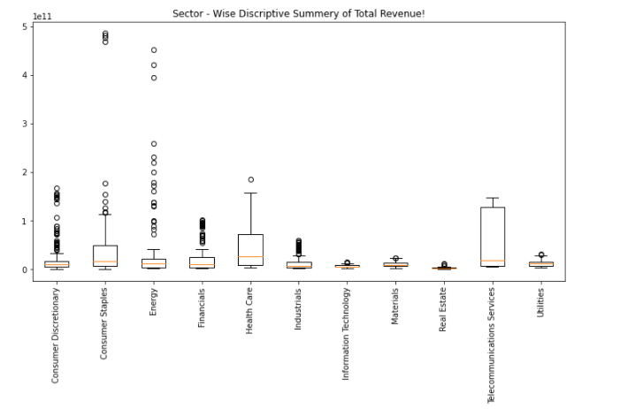
0 | nanmean | nanstd | q1 | q3
0 | T_REV | T_REV | T_REV | T_REV
GICS Sector
Consumer Discretionary | $18,714,830,424.75 | $28,615,204,624.75 | $5,749,892,500.00 | $16,439,000,000.00
Consumer Staples | $49,513,562,307.02 | $90,530,430,754.94 | $6,572,363,000.00 | $49,945,377,250.00
Energy | $40,945,924,586.21 | $82,199,725,102.17 | $3,461,000,000.00 | $20,838,500,000.00
Financials | $21,286,842,343.75 | $26,588,100,313.32 | $3,979,316,250.00 | $23,886,500,000.00
Health Care | $44,492,188,017.86 | $48,352,784,204.09 | $7,478,500,000.00 | $71,736,150,000.00
Industrials | $13,312,600,545.92 | $13,713,702,572.82 | $3,987,170,250.00 | $14,222,250,000.00
Information Technology | $6,248,845,891.30 | $3,254,337,210.89 | $4,298,840,750.00 | $7,436,868,000.00
Materials | $9,853,640,617.02 | $6,053,124,127.99 | $5,915,200,000.00 | $12,546,050,000.00
Real Estate | $2,335,265,181.82 | $1,832,292,518.62 | $977,681,500.00 | $2,939,957,500.00
Telecommunications Services | $57,537,392,650.00 | $60,144,628,766.30 | $6,360,250,000.00 | $127,167,750,000.00
Utilities | $11,135,678,864.58 | $6,223,385,683.56 | $6,229,840,250.00 | $14,965,250,000.00

Summery of Whole Data
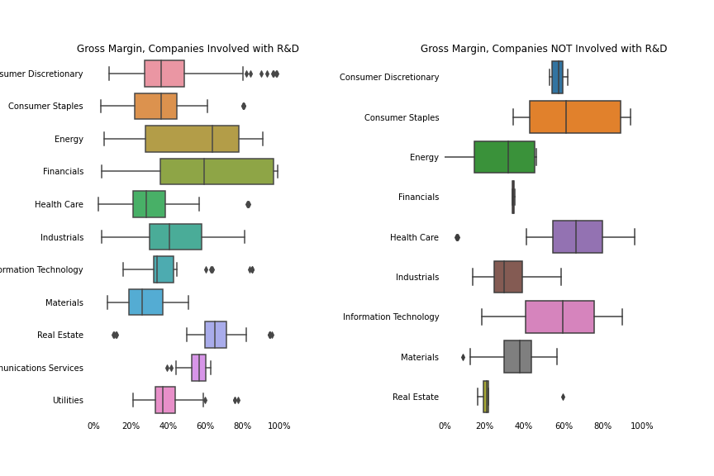

Bottom Up
Company Name: | CBG

Summery Statistic of Company
Income Statement
 |  | Historical
 |  | 2012 | 2013 | 2014 | 2015
 |  | Year 1 | Year 2 | Year 3 | Year 4
 | Revenue | $6,514,099,000.00 | $7,184,794,000.00 | $9,049,918,000.00 | $10,855,810,000.00
 | Cost of Good Sold | $5,745,428,000.00 | $6,293,699,000.00 | $8,050,222,000.00 | $9,716,541,000.00
 | Gross Profit | $768,671,000.00 | $891,095,000.00 | $999,696,000.00 | $1,139,269,000.00

Operating Expense: | Sales & Adminstration Expense | $- | $- | $- | $-
 | Research & Development | $- | $- | $- | $-
 | Other Operating Expense | $169,645,000.00 | $190,390,000.00 | $265,101,000.00 | $314,096,000.00

 | Operating Income | $599,026,000.00 | $700,705,000.00 | $734,595,000.00 | $825,173,000.00
 | Average of Gross Margin | Average of Operating Margin
Telecommunications Services | 44% | 18%
Operating Statistics
 |  | Historical
 |  | Year 1 | Year 2 | Year 3 | Year 4
 | Revenue Growth (%) | 0.00% | 10.30% | 25.96% | 19.95%
 | Gross Margin | 11.80% | 12.40% | 11.05% | 10.49%
 | operating Margin | 9.20% | 9.75% | 8.12% | 7.60%

Forcast MOdel
Company Name | CBG
 | Forcast Model
 | 2016 | 2017 | 2018
Revenue | $12,381,327,175.00 | $14,121,218,279.83 | $16,105,608,299.35
Cost of Good Sold
Gross Profit | $1,415,917,599.19 | $1,614,890,003.45 | $1,841,823,086.85

Sales & Adminstration Expense
Research & Development
Other Operating Expense

Operating Income | $1,073,052,641.60 | $1,223,843,806.38 | $1,395,824,961.73

Operating Statistics
 | Year 5 | Year 6 | Year 7
 | 2016 | 2017 | 2018
Revenue Growth (%) | 14.05% | 14.05% | 14.05%
Gross Margin | 11.44% | 11.44% | 11.44%
operating Margin | 8.67% | 8.67% | 8.67%

Scenario | Base Case
Revenue Growth | Year 5 | Year 6 | Year 7
Best Case | 23.90% | 23.90% | 23.90%
Base Case | 14.05% | 14.05% | 14.05%
Worst Case | 4.20% | 4.20% | 4.20%

Gross Margin
Best Case | 12.63% | 12.63% | 12.63%
Base Case | 11.44% | 11.44% | 11.44%
Worst Case | 10.25% | 10.25% | 10.25%

Operating Margin
Best Case | 10.06% | 10.06% | 10.06%
Base Case | 8.67% | 8.67% | 8.67%
Worst Case | 7.27% | 7.27% | 7.27%

